Sheet1
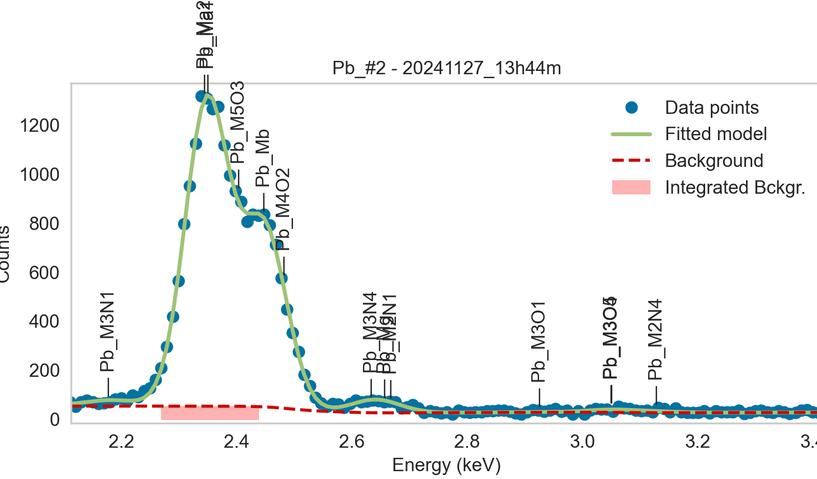
Weights calibrated measuring a pure Pb standard, bulk, polished
Area of all peaks is fitted
A constant shift or broadening is maintained across all peaks

Line |  | Meas 1 | Meas 2 | Meas 3 | Meas 4 | Meas 5 | Meas 6 | Meas 7 | Meas 8 | Meas 9 | Meas 10
Pb_Ma1 |  | 59.865 | 59.417 | 55.155 | 54.792 | 54.404 | 54.16 | 55.873 | 50.563 | 51.923 | 55.308
Pb_Ma2 | area fixed | 59.865 | 59.417 | 55.155 | 54.792 | 54.404 | 54.16 | 55.873 | 50.563 | 51.923 | 55.308
Pb_M5O3 |  | 1.935 | 3.41 | 4.211 | 5.954 | 5.573 | 7.149 | 7.32 | 8.205 | 4.74 | 12.341
Pb_Mb |  | 70.325 | 69.552 | 64.027 | 65.021 | 65.813 | 64.081 | 71.057 | 61.7 | 64.85 | 65.112
Pb_M4O2 |  | 0.002 | 0.033 | 0 | 0.577 | 0.499 | 3.128 | 0.182 | 0 | 0 | 7.183
Pb_M3N4 |  | 2.894 | 4.55 | 4.295 | 1.23 | 2.302 | 2.551 | 3.907 | 3.066 | 4.95 | 3.613
Pb_Mg |  | 2.141 | 0.024 | 1.332 | 4.219 | 1.497 | 2.292 | 0 | 0.874 | 0 | 0
Pb_M2N1 |  | 0.091 | 1.157 | 0.01 | 0.002 | 1.484 | 1.294 | 1.466 | 2.035 | 1.279 | 1.872
M3N4 + Mg + M2N1 |  | 5.126 | 5.731 | 5.637 | 5.451 | 5.283 | 6.137 | 5.373 | 5.975 | 6.229 | 5.485

Line | Original w | Meas 1 | Meas 2 | Meas 3 | Meas 4 | Meas 5 | Meas 6 | Meas 7 | Meas 8 | Meas 9 | Meas 10 | Mean | Stdev | Er (%)
Pb_Ma1 | 1 | 1.0000 | 1.0000 | 1.0000 | 1.0000 | 1.0000 | 1.0000 | 1.0000 | 1.0000 | 1.0000 | 1.0000 | 1.0000
Pb_Ma2 | 1 | 1.0000 | 1.0000 | 1.0000 | 1.0000 | 1.0000 | 1.0000 | 1.0000 | 1.0000 | 1.0000 | 1.0000 | 1.0000
Pb_M5O3 | 0.0001 | 0.0323 | 0.0574 | 0.0763 | 0.1087 | 0.1024 | 0.1320 | 0.1310 | 0.1623 | 0.0913 | 0.2231 | 0.1117 | 0.0545 | 48.83
Pb_Mb | 0.64 | 1.1747 | 1.1706 | 1.1609 | 1.1867 | 1.2097 | 1.1832 | 1.2718 | 1.2203 | 1.2490 | 1.1773 | 1.2004 | 0.0366 | 3.05
Pb_M4O2 | 0.01 | 0.0000 | 0.0006 | 0.0000 | 0.0105 | 0.0092 | 0.0578 | 0.0033 | 0.0000 | 0.0000 | 0.1299 | 0.0211 | 0.0421 | 199.34
M5O3 + Mb + M4O2 | 0.6501 | 1.2071 | 1.2285 | 1.2372 | 1.3059 | 1.3213 | 1.3729 | 1.4060 | 1.3825 | 1.3403 | 1.5303 | 1.3332 | 0.0973 | 7.30
Pb_M3N4 | 0.05 | 0.0483 | 0.0766 | 0.0779 | 0.0224 | 0.0423 | 0.0471 | 0.0699 | 0.0606 | 0.0953 | 0.0653 | 0.0606 | 0.0211 | 34.76
Pb_Mg | 0.21845 | 0.0358 | 0.0004 | 0.0242 | 0.0770 | 0.0275 | 0.0423 | 0.0000 | 0.0173 | 0.0000 | 0.0000 | 0.0224 | 0.0249 | 111.15
Pb_M2N1 | 0.00285 | 0.0015 | 0.0195 | 0.0002 | 0.0000 | 0.0273 | 0.0239 | 0.0262 | 0.0402 | 0.0246 | 0.0338 | 0.0197 | 0.0144 | 72.90
M3N4 + Mg + M2N1 | 0.2713 | 0.0856 | 0.0965 | 0.1022 | 0.0995 | 0.0971 | 0.1133 | 0.0962 | 0.1182 | 0.1200 | 0.0992 | 0.1028 | 0.0109 | 10.65

The fitting of peaks M3N4 + Mg + M2N1 varies, but their sum is constant and equal to 0.0105
So we use the original ratios to diustribute the sum among the 3 peaks, giving:

 | M3N4 | Mg | M2N1 | Sum |  |  |  |  | M5O3 | Mb | M4O2 | Sum
Original ratio | 0.1843 | 0.8052 | 0.0105 |  |  |  |  | Original ratio | 0.0002 | 0.9845 | 0.0154
Resulting weights: | 0.0189 | 0.0827 | 0.0011 | 0.1028 |  |  |  | Resulting weights: | 0.0002 | 1.3125 | 0.0205 | 1.3332
 |  |  |  |  |  |  |  |  | Too far from the fitted values! We use the fitted vals

 |  | Without fixing the peaks above:

